Visit report
D-TI-GR-032 | Visit / Inspection report

Report no. |  |  |  |  |  |  | Report rev. |  | 0-0
Location / address |  |  |  |  |  |  | 03/03/2026
Inspector

Project name |  | DAVIT CRANES 25380
Project ref. no. |  | DAVIT CRANES 25380
Contract ref. |  | 25390
Smulders contact name |  | Ebo Lantiga / Maarten Vanstappen

Scope of supply | all
Reference docs |  |  |  |  |  |  |  | Rev.
 |  |  |  |  |  |  |  | Rev.
 |  |  |  |  |  |  |  | Rev.
 |  |  |  |  |  |  |  | Rev.
 |  |  |  |  |  |  |  | Rev.
 |  |  |  |  |  |  |  | Rev.

Present |  |  |  | Representing
 |  |  |  | Representing
 |  |  |  | Representing
 |  |  |  | Representing
 |  |  |  | Representing
 |  |  |  | Representing
 |  |  |  | Representing

Agenda
 |  |  |  | 1. | Health, Safety, Security & Environment
 |  |  |  | 2. | Contractual
 |  |  |  | 3. | Procurement
 |  |  |  | 4. | Work preparation
 |  |  |  | 5. | Planning / Progress
 |  |  |  | 6. | Daily activity
 |  |  |  | 7. | Issues / observations / NCR
 |  |  |  | 8. | Risks
 |  |  |  | 9. | Any other business
 |  |  |  | 10. | Evidence documentation

Result

Date of next scheduled visit
Purpose of next scheduled visit

Prepared by | QC Vault Bot (auto-generated) |  |  |  | Signature

Visit / Inspection purpose

all

1. Health, Safety, Security & Environment

HSSE conditions acc. to requirements
Observations

2. Contractual

Contract / Purchase Order signed by both parties
Advance Payment Bond valid
Performance Bond valid
Warranty Bond valid
Parent Company Guarantee valid
Other

3. Procurement

Materials ordered as required
Deliveries done / confirmed as required
Quality of delivered materials acc. to requirements
Observations

4. Work preparation

Workshop drawings ready / planned as required
Correct revisions available
Correct revisions of drawings used in workshop
Other

5. Planning / Progress

Correct planning available

Progress details |  | MACH |  | ASSY & WELD |  | SURF. TREATM |  | AS BUILT |  | TIMING
ITEM |  | % | Latest finish | % | Latest finish | % | Latest finish | % | Latest finish
 |  | 0% |  | 0% |  | 0% |  | 0%
 |  | 0% |  | 0% |  | 0% |  | 0%
 |  | 0% |  | 0% |  | 0% |  | 0%
 |  | 0% |  | 0% |  | 0% |  | 0%
 |  | 0% |  | 0% |  | 0% |  | 0%

Other

6. Daily activity / Inspection visit

Date

Date

Date

Date

Date

Date

Date

7. Issues /observations / NCR

Description |  |  | Improvement proposal |  |  |  |  | Owner | Due | Status
Davit Crane 25380 Seasight Vt Rep Mt Mar: porosity,undercut |  |  | Visible NDT chalk markings "Mana VT-KMP / MT" are present on the main vertical p |  |  |  |  | Inspector | 03/03/2026 | Open
Davit Crane 25380 Fastener Hole Paint De: spatter |  |  | Minor coating defects, characterized by an uneven and textured paint finish, are |  |  |  |  | Inspector | 03/03/2026 | Open
25380 Davit Crane Paint Seam Ripples Por: porosity,pinhole,pinholes,runs,sags |  |  | Visual inspection (VT) of a coated weld seam on a davit crane component reveals |  |  |  |  | Inspector | 03/03/2026 | Open
Davit Crane Weld Undercut Marked: undercut |  |  | Undercut defect is visible and marked with green chalk on a weld seam of a struc |  |  |  |  | Inspector | 03/03/2026 | Open
Davit Crane 25380 Qc Pre Mt: undercut |  |  | Inspector's markings, including "RQ" and a green line along the upper horizontal |  |  |  |  | Inspector | 03/03/2026 | Open
Davit Cranes 25380 Weld Marker Line Pre |  |  | An unevenly textured green coating is visible adjacent to a vertical fillet weld |  |  |  |  | Inspector | 03/03/2026 | Open
Set 1 Eindkrater Corner Buildup: end crater |  |  | Visual inspection (VT) of Set 1 reveals a prominent weld end crater, visible as |  |  |  |  | Inspector | 03/03/2026 | Open

8. Risks

Description |  |  |  |  |  |  |  | Owner |  | Status

9. Any other business

10. Evidence documentation

Davit Crane 25380 Seasight Vt Rep Mt Markings — porosity,undercut () |  |  |  |  | [Description]
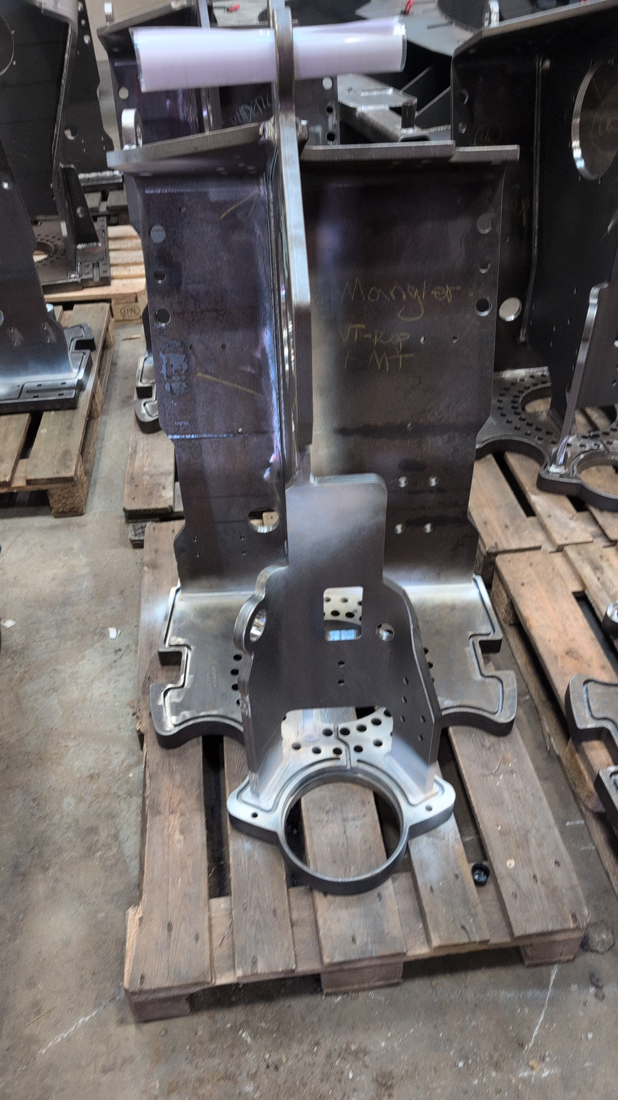 [Picture] |  |  |  |  | [Picture]

[Description] |  |  |  |  | Davit Crane 25380 Fastener Hole Paint Defect — spatter ()
[Picture] |  |  |  |  | 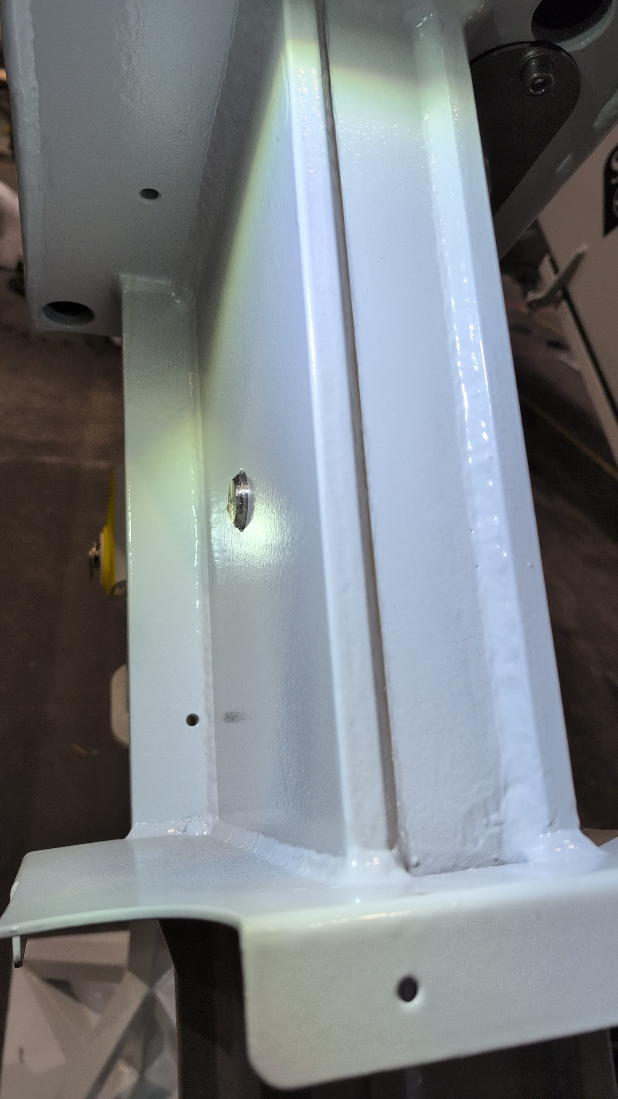 [Picture]

25380 Davit Crane Paint Seam Ripples Pores — porosity,pinhole,pinholes,runs,sags () |  |  |  |  | [Description]
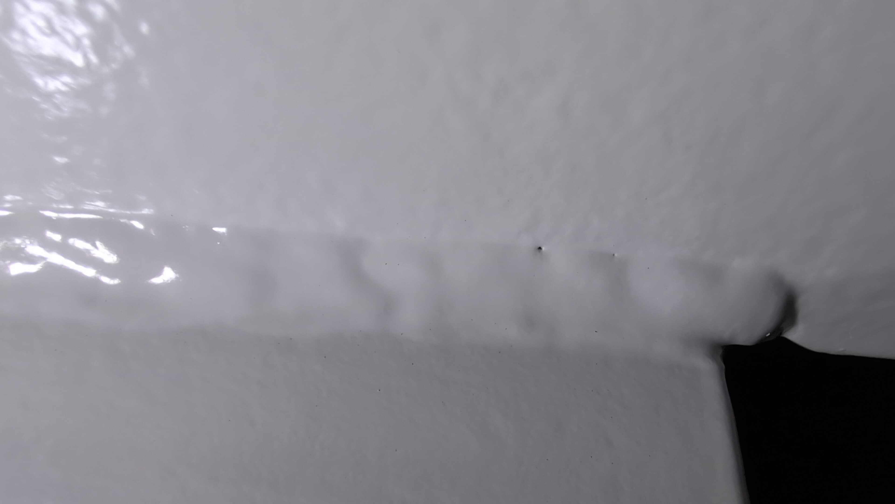 [Picture] |  |  |  |  | [Picture]

[Description] |  |  |  |  | Davit Crane Weld Undercut Marked — undercut ()
[Picture] |  |  |  |  | 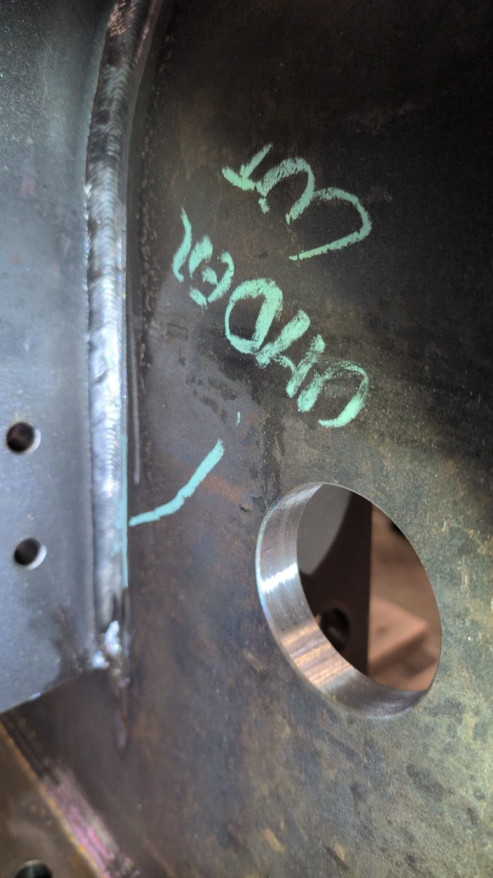 [Picture]

Davit Crane 25380 Qc Pre Mt — undercut () |  |  |  |  | [Description]
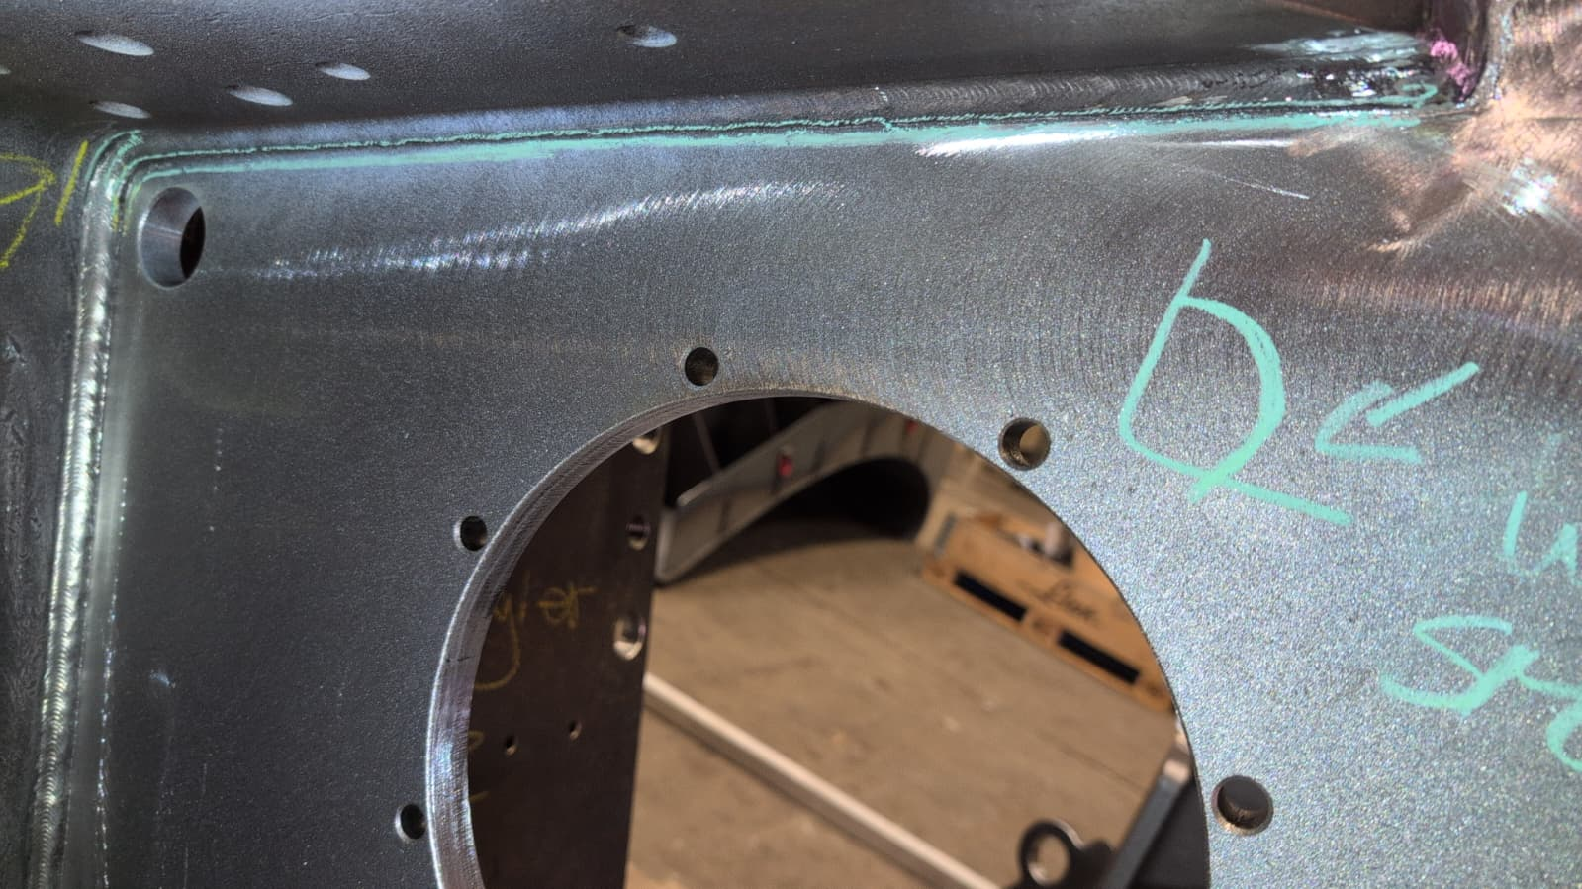 [Picture] |  |  |  |  | [Picture]

[Description] |  |  |  |  | Davit Cranes 25380 Weld Marker Line Pre Ndt — ()
[Picture] |  |  |  |  | 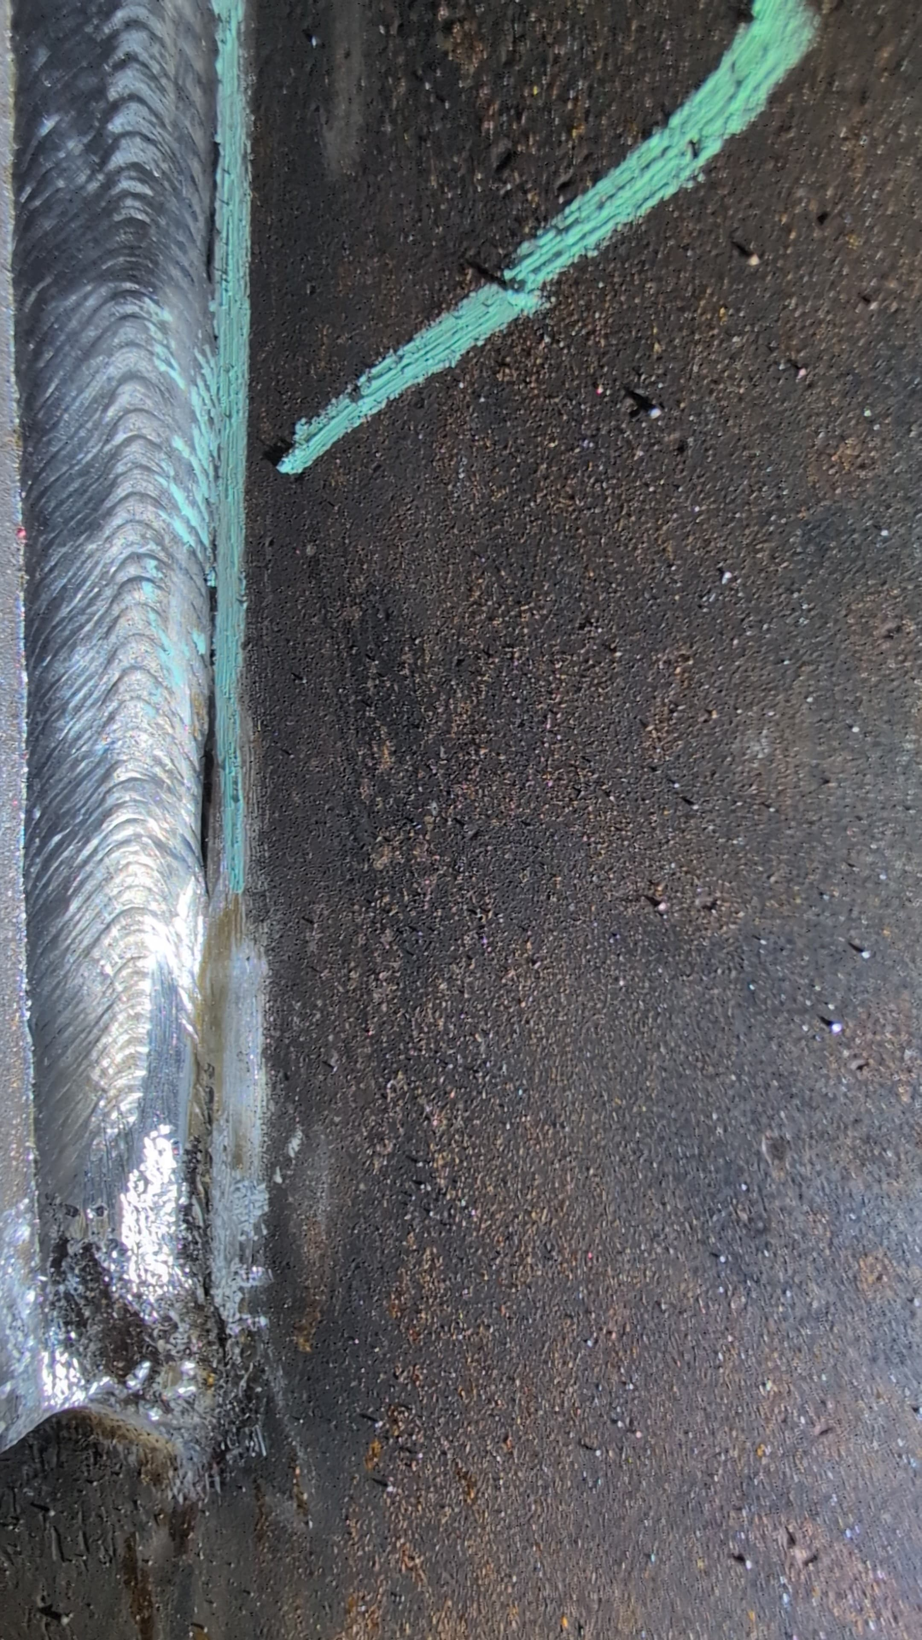 [Picture]

Set 1 Eindkrater Corner Buildup — end crater () |  |  |  |  | [Description]
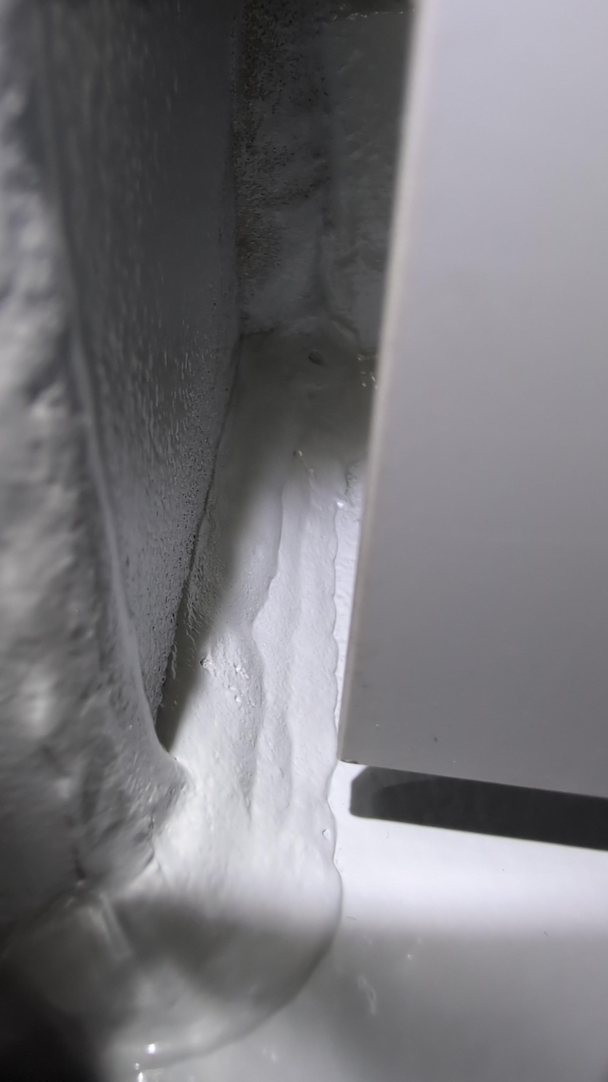 [Picture] |  |  |  |  | [Picture]

[Description] |  |  |  |  | Crane30 Weld Textured Coating — ()
[Picture] |  |  |  |  | 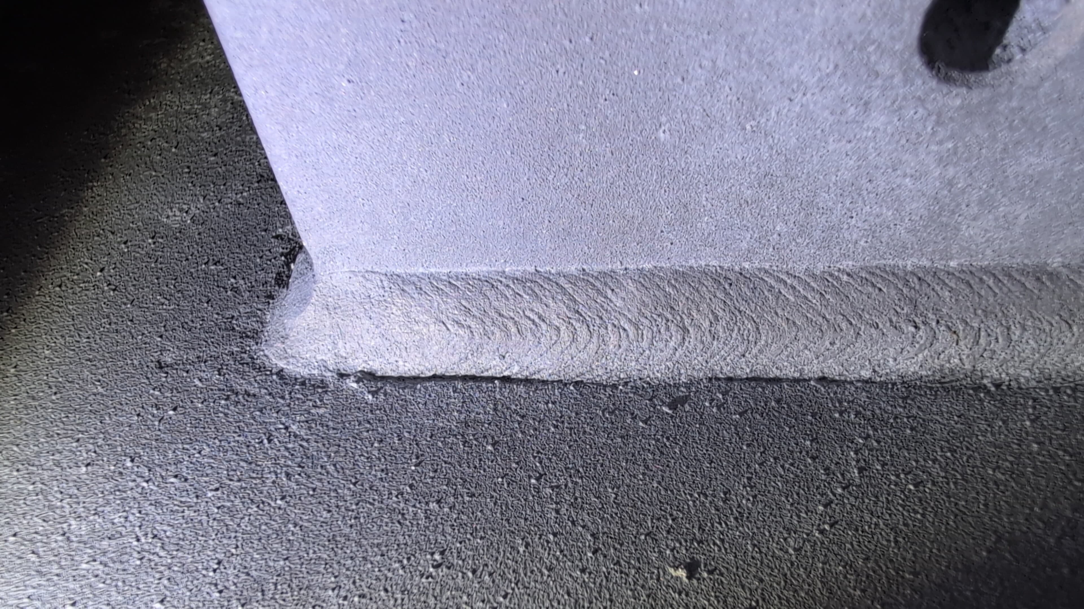 [Picture]

Davit Crane Components Pending Vt Mt — () |  |  |  |  | [Description]
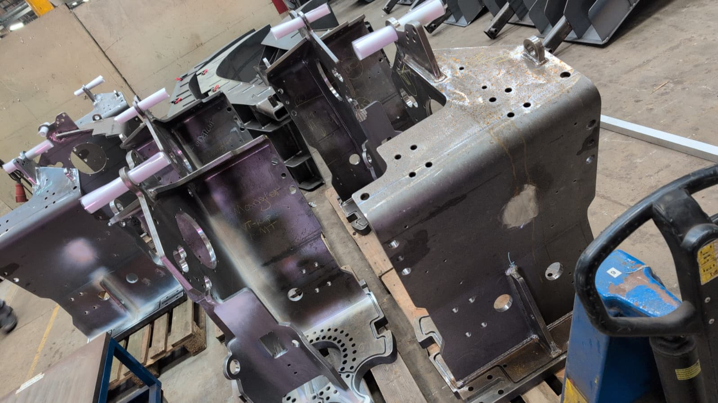 [Picture] |  |  |  |  | [Picture]

[Description] |  |  |  |  | [Description]
[Picture] |  |  |  |  | [Picture]

[Description] |  |  |  |  | [Description]
[Picture] |  |  |  |  | [Picture]

[Description] |  |  |  |  | [Description]
[Picture] |  |  |  |  | [Picture]

[Description] |  |  |  |  | [Description]
[Picture] |  |  |  |  | [Picture]

[Description] |  |  |  |  | [Description]
[Picture] |  |  |  |  | [Picture]

[Description] |  |  |  |  | [Description]
[Picture] |  |  |  |  | [Picture]

